Zero Hidden Layear
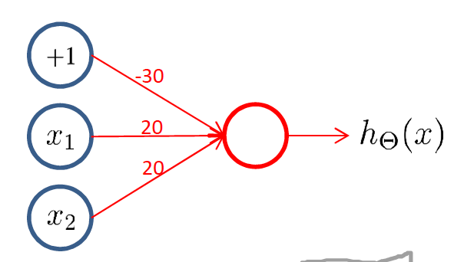
input |  | matrix of weights |  |  | output
x |  |  |  |  |  | hΘ(x)
x1 | x2 | Θ(1) |  |  | z(1) | y
0 | 0 | 30 | -20 | -20 | 30 | 1
1 | 0 |  |  |  | 10 | 1
1 | 1 |  |  |  | -10 | 0
0 | 1 |  |  |  | 10 | 1
… | … |  |  |  | … | …

